Sheet1
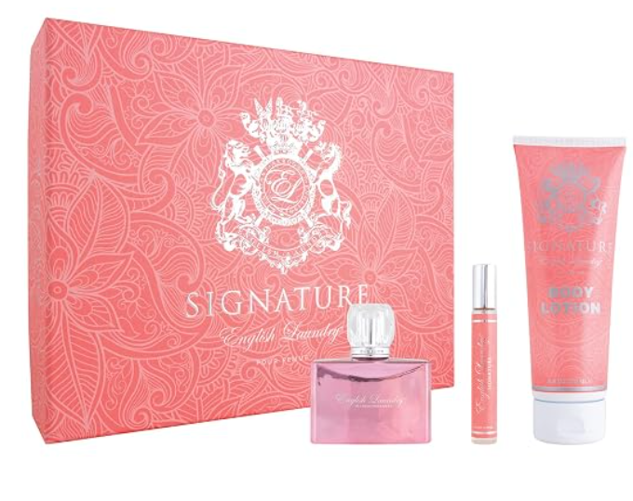
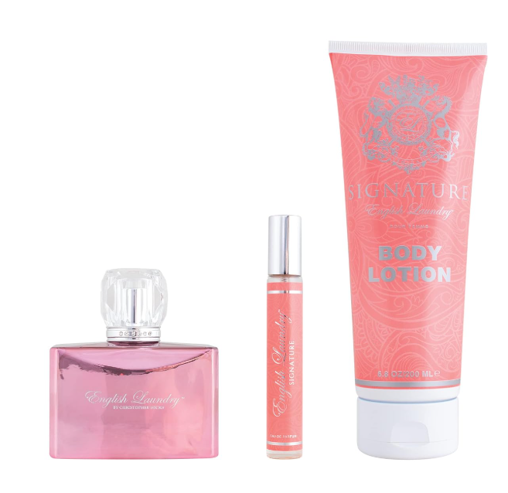
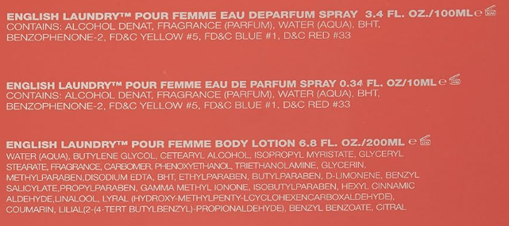
ENGLISH LAUNDRY 3 PCS. GIFT SET

Description | MSRP | UPC | Units Available | Case Pack QTY | TTL Case packs | MSRP | SPECIAL OFFER PRICE PER UNIT | Link
Signature 3 Piece Gift Set | MSRP | 819029010972 | 5112 | 6 | 852 | $95.00 |  | https://a.co/d/07m6eoRK | currently selling at $71.25 on Amazon

